Query 1
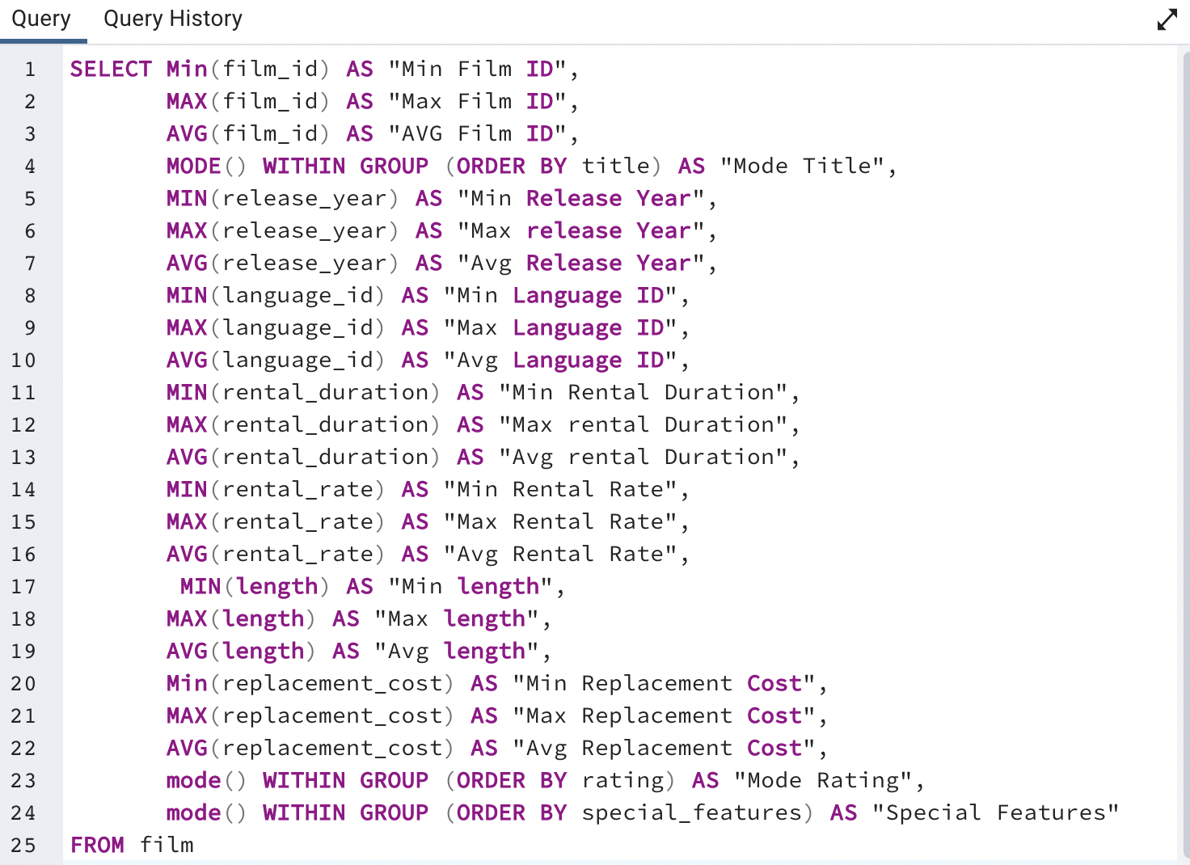
Min Film ID | Max Film ID | Avg Film ID | Mode Title | Min Release Year | Max Release Year | Avg Release Year | Min Language ID | Max Language ID | Avg Language ID | Min Rental Duration | Max Rental Duration | Avg rental Duration | Min Rental Rate | Max Rental Rate | Avg Rental Rate | Min length | Max length | Avg length | Min Replacement Cost | Max Replacement Cost | Avg Replacement Cost | Mode Rating | Special Features
1 | 1000 | 500.5 | Academy Dinosaur | 2006 | 2006 | 2006 | 1 | 1 | 1 | 3 | 7 | 4.985 | 0.99 | 4.99 | 2.98 | 46 | 185 | 115.272 | 9.99 | 29.99 | 19.984 | PG-13 | {Trailers,Commentaries,"Behind the Scenes"}

Query 2
ROCKBUSTER Top 10 Countries in terms of customer Numbers

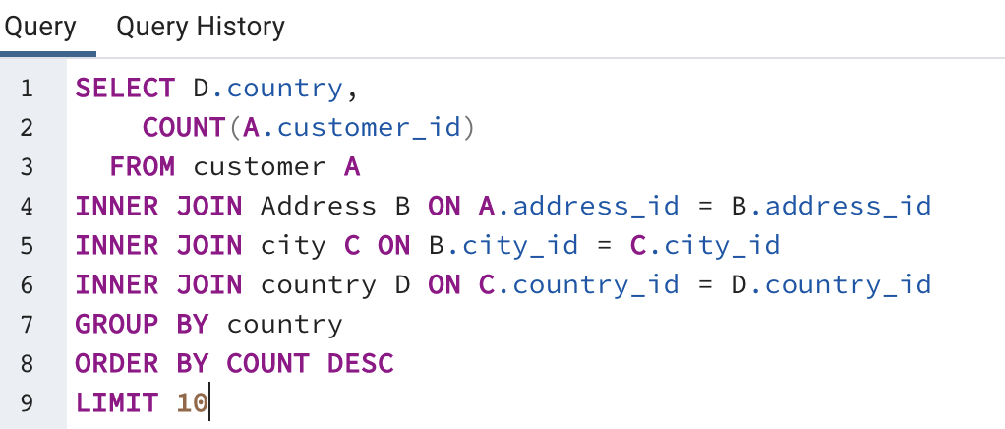
COUNTRY | CUSTOMER COUNT
India | 60
China | 53
United States | 36
Japan | 31
Mexico | 30
Brazil | 28
Russian Federation | 28
Philippines | 20
Turkey | 15
Indonesia | 14

Query 3
Top 10 Cities Within the Top 10 Countries

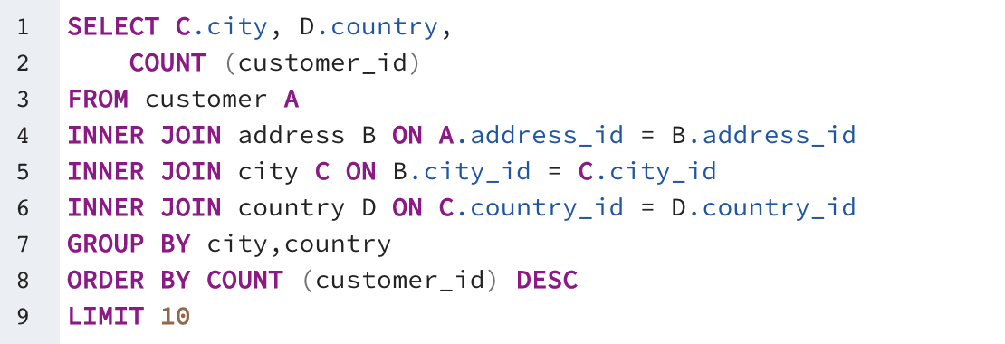
CITY | COUNTRY | COUNT of CUSTOMER
Aurora | United States | 2
London | United Kingdom | 2
Kitwe | Zambia | 1
Adoni | India | 1
Dhule (Dhulia) | India | 1
Xintai | China | 1
Sivas | Turkey | 1
Mahajanga | Madagascar | 1
Nezahualcyotl | Mexico | 1
Escobar | Argentina | 1

Query 4
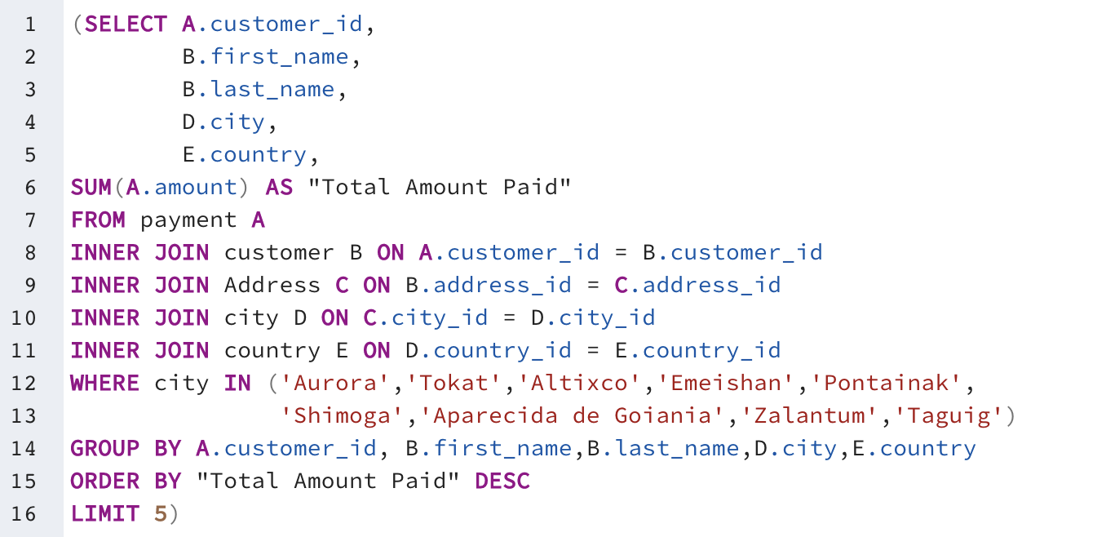
Top 5 Customers in Top 5 Cities

Customer_id | First Name | Last Name | City | Country | Total Amount Paid
566 | Casey | Mena | Tokat | Turkey | 130.68
389 | Alan | Kahn | Emeishan | China | 119.75
537 | Clinton | Buford | Aurora | United States | 98.76
72 | Theresa | Watson | Taguig | Philippines | 88.73
238 | Nellie | Garrett | Shimoga | India | 86.81

Query 5
Total Spent by Each Customer

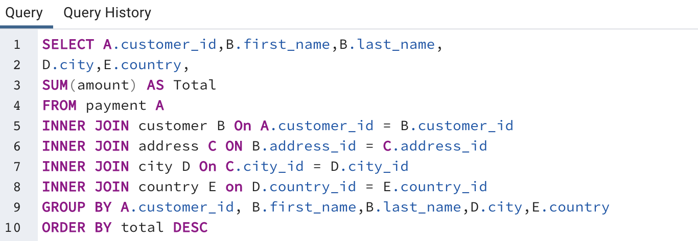
Customer ID | First Name | Last Name | City | Country | Amount
148 | Eleanor | Hunt | Saint-Denis | Runion | 211.55
526 | Karl | Seal | Cape Coral | United States | 208.58
178 | Marion | Snyder | Santa Brbara dOeste | Brazil | 194.61
137 | Rhonda | Kennedy | Apeldoorn | Netherlands | 191.62
144 | Clara | Shaw | Molodetno | Belarus | 189.6
459 | Tommy | Collazo | Qomsheh | Iran | 183.63
181 | Ana | Bradley | Memphis | United States | 167.67
410 | Curtis | Irby | Richmond Hill | Canada | 167.62
236 | Marcia | Dean | Tanza | Philippines | 166.61
403 | Mike | Way | Valparai | India | 162.67
522 | Arnold | Havens | Santa Rosa | Philippines | 161.68
469 | Wesley | Bull | Ourense (Orense) | Spain | 158.65
470 | Gordon | Allard | Hodeida | Yemen | 157.69
373 | Louis | Leone | Tanauan | Philippines | 156.66
259 | Lena | Jensen | Halisahar | India | 154.7
468 | Tim | Cary | Bijapur | India | 154.66
462 | Warren | Sherrod | Usolje-Sibirskoje | Russian Federation | 152.69
372 | Steve | Mackenzie | Probolinggo | Indonesia | 152.68
187 | Brittany | Riley | Sumy | Ukraine | 151.73
550 | Guy | Brownlee | Zhoushan | China | 151.69
176 | June | Carroll | Skikda | Algeria | 151.68
532 | Neil | Renner | Cam Ranh | Vietnam | 149.69
75 | Tammy | Sanders | Changhwa | Taiwan | 149.61
209 | Tonya | Chapman | Bhilwara | India | 147.71
21 | Michelle | Clark | Tangail | Bangladesh | 146.68
26 | Jessica | Hall | Citt del Vaticano | Holy See (Vatican City State) | 146.68
86 | Jacqueline | Long | Songkhla | Thailand | 146.68
211 | Stacey | Montgomery | Fuyu | China | 146.67
346 | Arthur | Simpkins | Maikop | Russian Federation | 145.7
366 | Brandon | Huey | Balikesir | Turkey | 145.64
50 | Diane | Collins | Omdurman | Sudan | 144.7
360 | Ralph | Madrigal | Arecibo | Puerto Rico | 144.68
348 | Roger | Quintanilla | Hsichuh | Taiwan | 144.66
513 | Duane | Tubbs | Yangor | Nauru | 143.7
454 | Alex | Gresham | Uruapan | Mexico | 143.68
347 | Ryan | Salisbury | Daugavpils | Latvia | 142.7
390 | Shawn | Heaton | Nakhon Sawan | Thailand | 142.69
267 | Margie | Wade | Lengshuijiang | China | 142.67
257 | Marsha | Douglas | Beira | Mozambique | 142.66
39 | Debra | Nelson | Vila Velha | Brazil | 141.71
78 | Lori | Wood | Rae Bareli | India | 141.69
362 | Nicholas | Barfield | Belm | Brazil | 140.69
363 | Roy | Whiting | Nyeri | Kenya | 139.72
368 | Harry | Arce | Najafabad | Iran | 139.69
119 | Sherry | Marshall | Shubra al-Khayma | Egypt | 139.69
66 | Janice | Ward | Malm | Sweden | 139.67
237 | Tanya | Gilbert | Naju | South Korea | 138.69
29 | Angela | Hernandez | Shimonoseki | Japan | 138.65
87 | Wanda | Patterson | Sincelejo | Colombia | 137.72
80 | Marilyn | Ross | Ife | Nigeria | 137.7
439 | Alexander | Fennell | Bergamo | Italy | 137.67
558 | Jimmie | Eggleston | Wroclaw | Poland | 135.72
494 | Ramon | Choate | Robamba | Ecuador | 135.7
576 | Morris | Mccarter | Fengshan | Taiwan | 135.68
591 | Kent | Arsenault | Juiz de Fora | Brazil | 134.73
467 | Alvin | Deloach | Cuauhtmoc | Mexico | 134.72
479 | Zachary | Hite | Akron | United States | 134.71
120 | Sylvia | Ortiz | Dos Quebradas | Colombia | 134.7
210 | Ella | Oliver | Aden | Yemen | 134.7
204 | Rosemary | Schmidt | Usak | Turkey | 134.69
15 | Helen | Harris | Bhopal | India | 134.68
5 | Elizabeth | Brown | Nantou | Taiwan | 134.65
349 | Joe | Gilliland | Imus | Philippines | 133.72
404 | Stanley | Scroggins | Omiya | Japan | 133.71
172 | Bernice | Willis | Batman | Turkey | 133.7
197 | Sue | Peters | Changzhou | China | 133.68
265 | Jennie | Terry | Olomouc | Czech Republic | 132.72
533 | Jessie | Milam | Binzhou | China | 132.7
380 | Russell | Brinson | Tychy | Poland | 132.65
472 | Greg | Robins | Nam Dinh | Vietnam | 131.74
13 | Karen | Jackson | Osmaniye | Turkey | 131.73
46 | Catherine | Campbell | Moscow | Russian Federation | 131.69
125 | Ethel | Webb | Boksburg | South Africa | 131.69
3 | Linda | Williams | Athenai | Greece | 130.76
7 | Maria | Miller | Kragujevac | Yugoslavia | 130.72
273 | Priscilla | Lowe | Salamanca | Mexico | 130.72
502 | Brett | Cornwell | Siliguri (Shiliguri) | India | 130.7
342 | Harold | Martino | Boa Vista | Brazil | 130.68
566 | Casey | Mena | Tokat | Turkey | 130.68
112 | Rosa | Reynolds | Lancaster | United States | 129.72
560 | Jordan | Archuleta | Avellaneda | Argentina | 129.71
102 | Crystal | Ford | Ashdod | Israel | 129.7
168 | Regina | Berry | Jinchang | China | 129.68
484 | Roberto | Vu | Yinchuan | China | 128.73
242 | Glenda | Frazier | Qinhuangdao | China | 128.71
103 | Gladys | Hamilton | Ilorin | Nigeria | 128.71
84 | Sara | Perry | Atlixco | Mexico | 128.7
196 | Alma | Austin | Mannheim | Germany | 128.69
448 | Miguel | Betancourt | Erlangen | Germany | 127.73
221 | Bessie | Morrison | Syrakusa | Italy | 127.73
141 | Debbie | Reyes | Fukuyama | Japan | 127.69
520 | Mitchell | Westmoreland | Nha Trang | Vietnam | 127.69
38 | Martha | Gonzalez | Chisinau | Moldova | 127.66
200 | Jeanne | Lawson | Ashgabat | Turkmenistan | 126.74
436 | Troy | Quigley | Vancouver | Canada | 126.73
206 | Terri | Vasquez | Blumenau | Brazil | 126.73
146 | Jamie | Rice | Sterling Heights | United States | 126.73
108 | Tracy | Cole | Huixquilucan | Mexico | 126.72
114 | Grace | Ellis | Duisburg | Germany | 126.7
482 | Maurice | Crawley | Coatzacoalcos | Mexico | 125.74
426 | Bradley | Motley | Purnea (Purnia) | India | 125.74
295 | Daisy | Bates | Kolpino | Russian Federation | 125.72
147 | Joanne | Robertson | Urawa | Japan | 125.68
354 | Justin | Ngo | Santo Andr | Brazil | 125.67
45 | Janet | Phillips | Antofagasta | Chile | 124.74
89 | Julia | Flores | La Plata | Argentina | 124.71
198 | Elsie | Kelley | Ikerre | Nigeria | 124.68
129 | Carrie | Porter | Liaocheng | China | 124.66
300 | John | Farnsworth | Parbhani | India | 123.74
2 | Patricia | Johnson | San Bernardino | United States | 123.74
506 | Leslie | Seward | Pontianak | Indonesia | 123.72
371 | Billy | Poulin | Cabuyao | Philippines | 123.71
51 | Alice | Stewart | Fontana | United States | 123.7
27 | Shirley | Allen | Davao | Philippines | 123.7
30 | Melissa | King | Lungtan | Taiwan | 123.66
92 | Tina | Simmons | Goinia | Brazil | 122.74
434 | Eddie | Tomlin | Ozamis | Philippines | 122.74
535 | Javier | Elrod | NDjamna | Chad | 122.72
163 | Cathy | Spencer | Kakamigahara | Japan | 122.71
244 | Viola | Hanson | Lapu-Lapu | Philippines | 122.7
473 | Jorge | Olivares | Lhokseumawe | Indonesia | 122.69
508 | Milton | Howland | Vijayawada | India | 121.77
497 | Gilbert | Sledge | York | United Kingdom | 121.73
166 | Lynn | Payne | Lilongwe | Malawi | 121.73
438 | Barry | Lovelace | Kitwe | Zambia | 121.7
451 | Jim | Rea | El Fuerte | Mexico | 121.7
406 | Nathan | Runyon | Charlotte Amalie | Virgin Islands, U.S. | 121.69
491 | Rick | Mattox | Mit Ghamr | Egypt | 120.75
423 | Alfred | Casillas | Sawhaj | Egypt | 120.74
179 | Dana | Hart | Kirovo-Tepetsk | Russian Federation | 120.74
499 | Marc | Outlaw | Brindisi | Italy | 120.71
122 | Thelma | Murray | Lima | Peru | 120.7
59 | Cheryl | Murphy | Mysore | India | 119.76
389 | Alan | Kahn | Emeishan | China | 119.75
487 | Hector | Poindexter | Pjatigorsk | Russian Federation | 119.74
207 | Gertrude | Castillo | Nuuk | Greenland | 119.72
306 | Charles | Kowalski | Sungai Petani | Malaysia | 119.72
82 | Kathryn | Coleman | Simferopol | Ukraine | 118.76
41 | Stephanie | Mitchell | Yerevan | Armenia | 118.75
589 | Tracy | Herrmann | Loja | Ecuador | 118.75
565 | Jaime | Nettles | Hunuco | Peru | 118.73
128 | Marjorie | Tucker | Jastrzebie-Zdrj | Poland | 118.7
35 | Virginia | Green | Toulouse | France | 118.7
230 | Joy | George | Botosani | Romania | 118.69
583 | Marshall | Thorn | Southampton | United Kingdom | 117.77
285 | Miriam | Mckinney | Otsu | Japan | 117.77
585 | Perry | Swafford | Quilmes | Argentina | 117.76
421 | Lee | Hawks | Pudukkottai | India | 117.75
504 | Nathaniel | Adam | Joliet | United States | 117.75
573 | Byron | Box | Zhezqazghan | Kazakstan | 117.72
49 | Joyce | Edwards | Jedda | Saudi Arabia | 116.76
149 | Valerie | Black | Brockton | United States | 116.75
253 | Terry | Carlson | Miyakonojo | Japan | 116.74
263 | Hilda | Hopkins | Mandaluyong | Philippines | 116.73
274 | Naomi | Jennings | Karnal | India | 116.73
71 | Kathy | James | Baybay | Philippines | 116.72
356 | Gerald | Fultz | Satna | India | 116.71
512 | Cecil | Vines | London | United Kingdom | 115.74
56 | Gloria | Cook | Papeete | French Polynesia | 115.74
529 | Erik | Guillen | Bhimavaram | India | 115.72
393 | Philip | Causey | Korolev | Russian Federation | 115.71
158 | Veronica | Stone | Greensboro | United States | 115.7
279 | Dianne | Shelton | Tabriz | Iran | 114.76
54 | Teresa | Rogers | Iwakuni | Japan | 114.74
584 | Salvador | Teel | Banjul | Gambia | 114.73
262 | Patsy | Davidson | Portoviejo | Ecuador | 114.73
388 | Craig | Morrell | Cavite | Philippines | 114.72
107 | Florence | Woods | Merlo | Argentina | 114.72
1 | Mary | Smith | Sasebo | Japan | 114.7
433 | Don | Bone | Naala-Porto | Mozambique | 113.77
309 | Christopher | Greco | Brescia | Italy | 113.75
302 | Michael | Silverman | Tiefa | China | 113.74
266 | Nora | Herrera | Salzburg | Austria | 113.74
569 | Dave | Gardiner | Leshan | China | 113.73
139 | Amber | Dixon | Touliu | Taiwan | 113.73
416 | Jeffery | Pinson | Dadu | Pakistan | 113.72
314 | George | Linton | Sorocaba | Brazil | 113.71
260 | Christy | Vargas | Datong | China | 113.7
540 | Tyrone | Asher | Ruse | Bulgaria | 112.76
582 | Andy | Vanhorn | Huejutla de Reyes | Mexico | 112.76
63 | Ashley | Richardson | Lincoln | United States | 112.75
32 | Amy | Lopez | Jhansi | India | 112.74
131 | Monica | Hicks | Mukateve | Ukraine | 112.73
485 | Clyde | Tobias | Shaoguan | China | 112.72
453 | Calvin | Martel | Maracabo | Venezuela | 111.77
337 | Jerry | Jordon | Onomichi | Japan | 111.76
225 | Arlene | Harvey | Ambattur | India | 111.76
577 | Clifton | Malcolm | Tanshui | Taiwan | 111.74
113 | Cindy | Fisher | Cuman | Venezuela | 111.73
173 | Audrey | Ray | Graz | Austria | 111.73
579 | Daryl | Larue | Mosul | Iraq | 111.73
592 | Terrance | Roush | Szkesfehrvr | Hungary | 111.71
42 | Carolyn | Perez | Pak Kret | Thailand | 111.71
186 | Holly | Fox | Haldia | India | 111.71
531 | Jamie | Waugh | Kuwana | Japan | 110.77
495 | Charlie | Bess | Baiyin | China | 110.76
258 | Myrtle | Fleming | Santiago de los Caballeros | Dominican Republic | 110.76
515 | Andre | Rapp | Coquimbo | Chile | 110.74
154 | Michele | Grant | Yuncheng | China | 110.73
213 | Gina | Williamson | Taizz | Yemen | 110.73
90 | Ruby | Washington | Meixian | China | 110.72
559 | Everett | Banda | Bilbays | Egypt | 110.72
595 | Terrence | Gunderson | Jinzhou | China | 110.71
241 | Heidi | Larson | Xiangfan | China | 110.68
536 | Fernando | Churchill | Tonghae | South Korea | 109.77
170 | Beatrice | Arnold | Udaipur | India | 109.77
575 | Isaac | Oglesby | Cuernavaca | Mexico | 109.76
220 | Charlene | Alvarez | Zanzibar | Tanzania | 109.75
16 | Sandra | Martin | Southend-on-Sea | United Kingdom | 109.75
447 | Clifford | Bowens | Nabereznyje Telny | Russian Federation | 109.73
376 | Randy | Gaither | Kurgan | Russian Federation | 109.73
538 | Ted | Breaux | Baicheng | China | 109.73
481 | Herman | Devore | Mwanza | Tanzania | 109.72
446 | Theodore | Culp | Uluberia | India | 109.72
386 | Todd | Tan | Kamjanets-Podilskyi | Ukraine | 109.72
424 | Kyle | Spurlock | Shanwei | China | 109.71
284 | Sonia | Gregory | Benin City | Nigeria | 108.78
594 | Eduardo | Hiatt | Jining | China | 108.77
590 | Seth | Hannon | al-Manama | Bahrain | 108.76
277 | Olga | Jimenez | Ogbomosho | Nigeria | 108.76
518 | Gabriel | Harder | Sivas | Turkey | 108.75
334 | Raymond | Mcwhorter | Sumqayit | Azerbaijan | 108.75
574 | Julian | Vest | Akishima | Japan | 108.73
239 | Minnie | Romero | Ciomas | Indonesia | 108.72
167 | Sally | Pierce | Chandrapur | India | 108.71
293 | Mae | Fletcher | Donostia-San Sebastin | Spain | 107.79
571 | Johnnie | Chisholm | Plock | Poland | 107.78
427 | Jesus | Mccartney | Guaruj | Brazil | 107.77
332 | Stephen | Qualls | Dhaka | Bangladesh | 107.74
441 | Mario | Cheatham | Batna | Algeria | 107.73
588 | Marion | Ocampo | Weifang | China | 107.73
145 | Lucille | Holmes | Soshanguve | South Africa | 107.73
157 | Darlene | Rose | Pyongyang | North Korea | 107.71
254 | Maxine | Silva | Poos de Caldas | Brazil | 107.7
418 | Jeff | East | San Felipe de Puerto Plata | Dominican Republic | 107.7
91 | Lois | Butler | Bandar Seri Begawan | Brunei | 107.66
477 | Dan | Paine | Stockport | United Kingdom | 106.79
240 | Marlene | Welch | Iwaki | Japan | 106.77
343 | Douglas | Graf | Mexicali | Mexico | 106.77
155 | Gail | Knight | Bern | Switzerland | 106.76
234 | Claudia | Fuller | Jalib al-Shuyukh | Kuwait | 106.75
116 | Victoria | Gibson | Pemalang | Indonesia | 106.74
471 | Dean | Sauer | Johannesburg | South Africa | 106.74
457 | Bill | Gavin | Rockford | United States | 106.73
160 | Erin | Dunn | Ljubertsy | Russian Federation | 106.73
23 | Sarah | Lewis | Liepaja | Latvia | 106.73
52 | Julie | Sanchez | A Corua (La Corua) | Spain | 106.72
138 | Hazel | Warren | Hohhot | China | 106.68
127 | Elaine | Stevens | Smolensk | Russian Federation | 105.78
490 | Sam | Mcduffie | Sogamoso | Colombia | 105.78
331 | Eric | Robert | Santa F | Argentina | 105.78
294 | Shelly | Watts | Dayton | United States | 105.77
193 | Katie | Elliott | Kisumu | Kenya | 105.77
400 | Bryan | Hardison | Dallas | United States | 105.76
58 | Jean | Bell | Kuching | Malaysia | 105.76
40 | Amanda | Carter | Nador | Morocco | 105.74
396 | Earl | Shanks | Iwatsuki | Japan | 105.74
96 | Diana | Alexander | Augusta-Richmond County | United States | 105.73
444 | Marcus | Hidalgo | Tartu | Estonia | 105.72
28 | Cynthia | Young | Munger (Monghyr) | India | 105.7
345 | Carl | Artis | San Lorenzo | Paraguay | 104.79
493 | Brent | Harkins | Sultanbeyli | Turkey | 104.78
289 | Violet | Rodriquez | Kowloon and New Kowloon | Hong Kong | 104.76
171 | Dolores | Wagner | Ipoh | Malaysia | 104.75
121 | Josephine | Gomez | Etawah | India | 104.75
407 | Dale | Ratcliff | Rustenburg | South Africa | 104.74
31 | Brenda | Wright | Kamarhati | India | 104.74
25 | Deborah | Walker | Shikarpur | Pakistan | 104.73
397 | Jimmy | Schrader | Atinsk | Russian Federation | 104.72
442 | Leroy | Bustamante | Tongliao | China | 104.71
341 | Peter | Menard | Ede | Netherlands | 103.78
296 | Ramona | Hale | Patiala | India | 103.77
280 | Tracey | Barrett | Owo | Nigeria | 103.77
245 | Courtney | Day | Uijongbu | South Korea | 103.74
202 | Carla | Gutierrez | Bhusawal | India | 103.74
214 | Kristin | Johnston | Sunnyvale | United States | 103.74
20 | Sharon | Robinson | Mardan | Pakistan | 103.73
408 | Manuel | Murrell | Jaffna | Sri Lanka | 103.73
292 | Misty | Lambert | Sharja | United Arab Emirates | 102.78
510 | Ben | Easter | Kamyin | Russian Federation | 102.77
553 | Max | Pitt | Novi Sad | Yugoslavia | 102.77
587 | Sergio | Stanfield | Celaya | Mexico | 102.76
98 | Lillian | Griffin | al-Ayn | United Arab Emirates | 102.76
126 | Ellen | Simpson | Po | Brazil | 102.75
190 | Yolanda | Weaver | Tabora | Tanzania | 102.75
44 | Marie | Turner | Lipetsk | Russian Federation | 101.79
466 | Leo | Ebert | Dongying | China | 101.78
100 | Robin | Hayes | Jelets | Russian Federation | 101.77
593 | Rene | Mcalister | Garden Grove | United States | 101.76
405 | Leonard | Schofield | Tandil | Argentina | 101.7
486 | Glen | Talbert | Acua | Mexico | 100.77
572 | Sidney | Burleson | Czestochowa | Poland | 100.76
517 | Brad | Mccurdy | Chungho | Taiwan | 100.76
251 | Vickie | Brewer | Halle/Saale | Germany | 100.75
219 | Willie | Howell | Vicente Lpez | Argentina | 100.75
135 | Juanita | Mason | Pune | India | 100.72
519 | Ron | Deluca | Isesaki | Japan | 99.78
11 | Lisa | Anderson | Sagamihara | Japan | 99.77
57 | Evelyn | Morgan | Vaduz | Liechtenstein | 99.74
297 | Sherri | Rhodes | Ahmadnagar | India | 99.74
563 | Ken | Prewitt | Bucuresti | Romania | 99.73
503 | Angel | Barclay | Ueda | Japan | 99.72
452 | Tom | Milner | Abu Dhabi | United Arab Emirates | 99.71
381 | Bobby | Boudreau | South Hill | Anguilla | 99.68
19 | Ruth | Martinez | Kimberley | South Africa | 98.82
329 | Frank | Waggoner | Jamalpur | Bangladesh | 98.77
537 | Clinton | Buford | Aurora | United States | 98.76
175 | Annette | Olson | Allappuzha (Alleppey) | India | 98.76
264 | Gwendolyn | May | Higashiosaka | Japan | 98.75
374 | Jeremy | Hurtado | Vitria de Santo Anto | Brazil | 98.75
425 | Francis | Sikes | San Juan Bautista Tuxtepec | Mexico | 98.75
580 | Ross | Grey | Iligan | Philippines | 98.74
367 | Adam | Gooch | Adoni | India | 97.8
65 | Rose | Howard | Cayenne | French Guiana | 97.8
460 | Leon | Bostic | Florencia | Colombia | 97.79
409 | Rodney | Moeller | Deba Habe | Nigeria | 97.78
475 | Pedro | Chestnut | ostka | Ukraine | 97.78
562 | Wallace | Slone | Sokoto | Nigeria | 97.78
192 | Laurie | Lawrence | Firozabad | India | 97.78
123 | Shannon | Freeman | Varanasi (Benares) | India | 97.77
256 | Mabel | Holland | Monywa | Myanmar | 97.75
581 | Virgil | Wofford | Jos Azueta | Mexico | 97.75
379 | Carlos | Coughlin | Bhavnagar | India | 96.79
268 | Nina | Soto | Palghat (Palakkad) | India | 96.79
269 | Cassandra | Walters | Salinas | United States | 96.79
352 | Albert | Crouse | Bamenda | Cameroon | 96.78
83 | Louise | Jenkins | Springs | South Africa | 96.78
414 | Vincent | Ralston | Allende | Mexico | 96.77
14 | Betty | White | Citrus Heights | United States | 96.77
317 | Edward | Baugh | Trshavn | Faroe Islands | 96.76
445 | Micheal | Forman | Escobar | Argentina | 96.76
286 | Velma | Lucas | Effon-Alaiye | Nigeria | 96.76
422 | Melvin | Ellington | Laohekou | China | 96.75
500 | Reginald | Kinder | Madiun | Indonesia | 96.75
74 | Denise | Kelly | Rio Claro | Brazil | 96.74
554 | Dwayne | Olvera | Rajkot | India | 95.8
106 | Connie | Wallace | Ivanovo | Russian Federation | 95.79
578 | Willard | Lumpkin | Carmen | Mexico | 95.79
324 | Gary | Coy | Yuzhou | China | 95.78
541 | Darren | Windham | Livorno | Italy | 95.78
180 | Stacy | Cunningham | Pereira | Colombia | 95.78
488 | Shane | Millard | La Paz | Mexico | 95.78
199 | Beth | Franklin | Haiphong | Vietnam | 95.76
339 | Walter | Perryman | Xinxiang | China | 95.76
456 | Ronnie | Ricketts | Ziguinchor | Senegal | 95.76
132 | Esther | Crawford | Botshabelo | South Africa | 95.72
22 | Laura | Rodriguez | Sal | Morocco | 94.81
150 | Danielle | Daniels | Hidalgo | Mexico | 94.78
68 | Nicole | Peterson | Shivapuri | India | 94.78
276 | Brandy | Graves | Warren | United States | 94.77
153 | Suzanne | Nichols | Jakarta | Indonesia | 94.76
10 | Dorothy | Taylor | Esfahan | Iran | 94.76
161 | Geraldine | Perkins | Tel Aviv-Jaffa | Israel | 94.76
546 | Kelly | Knott | Sanya | China | 94.76
111 | Carmen | Owens | Caracas | Venezuela | 94.75
321 | Kevin | Schuler | Birgunj | Nepal | 93.83
528 | Claude | Herzog | Benguela | Angola | 93.8
432 | Edwin | Burk | Newcastle | South Africa | 93.8
443 | Francisco | Skidmore | So Leopoldo | Brazil | 93.79
319 | Ronald | Weiner | San Felipe del Progreso | Mexico | 93.79
105 | Dawn | Sullivan | Funafuti | Tuvalu | 93.78
336 | Joshua | Mark | Rampur | India | 93.78
385 | Phillip | Holm | Tama | Japan | 93.76
229 | Tamara | Nguyen | Anpolis | Brazil | 93.75
383 | Martin | Bales | Namibe | Angola | 93.75
377 | Howard | Fortner | Kermanshah | Iran | 93.74
12 | Nancy | Thomas | Yamuna Nagar | India | 93.74
47 | Frances | Parker | Juazeiro do Norte | Brazil | 92.81
544 | Cody | Nolen | So Bernardo do Campo | Brazil | 92.8
307 | Joseph | Joy | Angra dos Reis | Brazil | 92.8
365 | Bruce | Schwarz | Okinawa | Japan | 92.79
81 | Andrea | Henderson | Mahajanga | Madagascar | 92.79
431 | Joel | Francisco | Sucre | Bolivia | 92.78
511 | Chester | Benner | Suihua | China | 92.78
182 | Renee | Lane | Compton | United States | 92.76
516 | Elmer | Noe | Battambang | Cambodia | 92.76
188 | Melanie | Armstrong | Bayugan | Philippines | 92.75
474 | Dustin | Gillette | Emmen | Netherlands | 92.75
275 | Carole | Barnett | Peoria | United States | 92.75
489 | Ricardo | Meador | Okayama | Japan | 91.81
505 | Rafael | Abney | Talavera | Philippines | 91.81
212 | Wilma | Richards | Bellevue | United States | 91.8
37 | Pamela | Baker | Nanyang | China | 91.79
201 | Vicki | Fields | Witten | Germany | 91.78
417 | Travis | Estep | al-Qatif | Saudi Arabia | 91.78
392 | Sean | Douglass | Addis Abeba | Ethiopia | 91.77
570 | Ivan | Cromwell | Monclova | Mexico | 91.75
323 | Matthew | Mahan | Cuautla | Mexico | 91.75
64 | Judith | Cox | Daxian | China | 91.7
216 | Natalie | Meyer | Aparecida de Goinia | Brazil | 90.78
261 | Deanna | Byrd | Tuguegarao | Philippines | 90.78
99 | Emily | Diaz | Kimchon | South Korea | 90.77
36 | Kathleen | Adams | Arak | Iran | 90.75
461 | Derek | Blakely | Gingoog | Philippines | 90.73
552 | Hugh | Waldrop | Haining | China | 89.8
43 | Christine | Roberts | Faaa | French Polynesia | 89.78
333 | Andrew | Purdy | Baku | Azerbaijan | 89.78
364 | Benjamin | Varney | Guadalajara | Mexico | 89.78
73 | Beverly | Brooks | Chiayi | Taiwan | 89.78
69 | Judy | Gray | Bchar | Algeria | 89.77
507 | Edgar | Rhoads | Eskisehir | Turkey | 89.77
156 | Bertha | Ferguson | Ondo | Nigeria | 89.77
235 | Jackie | Lynch | Buenaventura | Colombia | 89.77
233 | Lillie | Kim | Idfu | Egypt | 89.77
463 | Darrell | Power | Halifax | Canada | 89.76
34 | Rebecca | Scott | Kurashiki | Japan | 89.76
361 | Lawrence | Lawton | Yaound | Cameroon | 89.71
247 | Stella | Moreno | Coacalco de Berriozbal | Mexico | 88.81
249 | Dora | Medina | Tianjin | China | 88.81
33 | Anna | Hill | Alessandria | Italy | 88.8
375 | Aaron | Selby | Mwene-Ditu | Congo, The Democratic Republic of the | 88.8
60 | Mildred | Bailey | Jaipur | India | 88.78
415 | Glenn | Pullen | Amersfoort | Netherlands | 88.78
231 | Georgia | Jacobs | Uttarpara-Kotrung | India | 88.77
53 | Heather | Morris | Nagareyama | Japan | 88.76
133 | Pauline | Henry | Torren | Mexico | 88.75
72 | Theresa | Watson | Taguig | Philippines | 88.73
17 | Donna | Thompson | Elista | Russian Federation | 87.82
203 | Tara | Ryan | Gorontalo | Indonesia | 87.81
305 | Richard | Mccrary | Arlington | United States | 87.8
476 | Derrick | Bourque | Gatineau | Canada | 87.8
523 | Harvey | Guajardo | Vinh | Vietnam | 87.8
547 | Kurt | Emmons | Kanazawa | Japan | 87.8
226 | Maureen | Little | Asuncin | Paraguay | 87.79
189 | Loretta | Carpenter | Oshawa | Canada | 87.79
130 | Charlotte | Hunter | guas Lindas de Gois | Brazil | 87.78
351 | Jack | Foust | Zeleznogorsk | Russian Federation | 87.77
597 | Freddie | Duggan | Sullana | Peru | 87.77
509 | Raul | Fortier | Chapra | India | 86.82
478 | Lewis | Lyman | Ashqelon | Israel | 86.81
238 | Nellie | Garrett | Shimoga | India | 86.81
501 | Ruben | Geary | Lublin | Poland | 86.81
195 | Vanessa | Sims | Siegen | Germany | 86.81
169 | Erica | Matthews | Pingxiang | China | 86.8
67 | Kelly | Torres | Xiangtan | China | 86.8
217 | Agnes | Bishop | Sambhal | India | 86.79
232 | Constance | Reid | Zaria | Nigeria | 86.77
101 | Peggy | Myers | Abha | Saudi Arabia | 86.77
419 | Chad | Carbone | Katihar | India | 86.76
228 | Allison | Stanley | Phnom Penh | Cambodia | 86.75
561 | Ian | Still | Garland | United States | 86.75
208 | Lucy | Wheeler | Balurghat | India | 86.75
115 | Wendy | Harrison | Nezahualcyotl | Mexico | 86.73
567 | Alfredo | Mcadams | Serpuhov | Russian Federation | 85.8
437 | Randall | Neumann | La Romana | Dominican Republic | 85.8
382 | Victor | Barkley | Manchester | United States | 85.78
359 | Willie | Markham | Almirante Brown | Argentina | 85.78
455 | Jon | Wiles | El Alto | Bolivia | 85.78
8 | Susan | Wilson | Hamilton | New Zealand | 85.77
24 | Kimberly | Lee | Crdoba | Argentina | 85.77
77 | Jane | Bennett | Araatuba | Brazil | 85.77
450 | Jay | Robb | Surakarta | Indonesia | 85.75
542 | Lonnie | Tirado | Pangkal Pinang | Indonesia | 84.84
545 | Julio | Noland | Konotop | Ukraine | 84.81
55 | Doris | Reed | Balaiha | Russian Federation | 84.81
539 | Mathew | Bolin | Valencia | Venezuela | 84.8
88 | Bonnie | Hughes | Cheju | South Korea | 84.8
299 | James | Gannon | Hiroshima | Japan | 84.79
6 | Jennifer | Davis | Laredo | United States | 84.75
140 | Eva | Ramos | Clarksville | United States | 83.82
480 | Corey | Hauser | Gaziantep | Turkey | 83.81
143 | Leslie | Gordon | Kilis | Turkey | 83.8
440 | Bernard | Colby | Dhule (Dhulia) | India | 83.79
598 | Wade | Delvalle | Lausanne | Switzerland | 83.78
340 | Patrick | Newsom | Hanoi | Vietnam | 83.77
496 | Tyler | Wren | Rizhao | China | 82.81
564 | Bob | Pfeiffer | Xintai | China | 82.78
498 | Gene | Sanborn | Salala | Oman | 82.76
483 | Vernon | Chapa | Denizli | Turkey | 81.83
524 | Jared | Ely | Purwakarta | Indonesia | 81.83
174 | Yvonne | Watkins | Ocumare del Tuy | Venezuela | 81.81
322 | Jason | Morrissey | Baha Blanca | Argentina | 81.81
308 | Thomas | Grigsby | Kansas City | United States | 81.81
165 | Lorraine | Stephens | Hami | China | 81.8
312 | Mark | Rinehart | Tabuk | Saudi Arabia | 81.8
4 | Barbara | Jones | Myingyan | Myanmar | 81.78
534 | Christian | Jung | Amroha | India | 81.78
215 | Jessie | Banks | Stara Zagora | Bulgaria | 81.76
527 | Cory | Meehan | Mogiljov | Belarus | 81.76
151 | Megan | Palmer | Laiwu | China | 81.75
311 | Paul | Trout | Kursk | Russian Federation | 80.85
449 | Oscar | Aquino | Sirjan | Iran | 80.83
205 | Eileen | Carr | Ciudad del Este | Paraguay | 80.82
316 | Steven | Curley | Miraj | India | 80.81
184 | Vivian | Ruiz | s-Hertogenbosch | Netherlands | 80.8
290 | Kristina | Chambers | Valle de la Pascua | Venezuela | 80.78
287 | Becky | Miles | Tambaram | India | 80.78
521 | Roland | South | Yingkou | China | 80.77
357 | Keith | Rico | Bratislava | Slovakia | 80.77
109 | Edna | West | Klerksdorp | South Africa | 79.81
304 | David | Royal | Callao | Peru | 79.81
282 | Jenny | Castro | Ponce | Puerto Rico | 79.8
185 | Roberta | Harper | Shahr-e Kord | Iran | 79.8
387 | Jesse | Schilling | Lubumbashi | Congo, The Democratic Republic of the | 79.78
391 | Clarence | Gamez | Izumisano | Japan | 79.75
429 | Frederick | Isbell | Tsuyama | Japan | 78.84
599 | Austin | Cintron | Tieli | China | 78.82
18 | Carol | Garcia | Kaduna | Nigeria | 78.81
9 | Margaret | Moore | Masqat | Oman | 78.8
338 | Dennis | Gilman | Paarl | South Africa | 78.8
62 | Joan | Cooper | Saint Louis | United States | 78.79
298 | Erika | Pena | Oulu | Finland | 78.79
227 | Colleen | Burton | Saarbrcken | Germany | 78.78
435 | Ricky | Shelby | Junan | China | 78.77
223 | Melinda | Fernandez | Mandi Bahauddin | Pakistan | 77.84
402 | Luis | Yanez | Brest | France | 77.81
134 | Emma | Boyd | Qalyub | Egypt | 77.81
394 | Chris | Brothers | Gijn | Spain | 77.8
384 | Ernest | Stepp | Huaian | China | 77.79
104 | Rita | Graham | Toulon | France | 77.78
243 | Lydia | Burke | San Miguel de Tucumn | Argentina | 77.77
246 | Marian | Mendoza | Maring | Brazil | 76.82
93 | Phyllis | Foster | Zalantun | China | 76.8
118 | Kim | Cruz | Grand Prairie | United States | 76.8
224 | Pearl | Garza | Jodhpur | India | 76.78
70 | Christina | Ramirez | al-Hawiya | Saudi Arabia | 75.83
270 | Leah | Curtis | Kalisz | Poland | 75.81
358 | Samuel | Marlow | Ranchi | India | 75.8
551 | Clayton | Barbee | Alvorada | Brazil | 75.79
530 | Darryl | Ashcraft | Ezeiza | Argentina | 75.78
183 | Ida | Andrews | Luzinia | Brazil | 75.78
194 | Kristen | Chavez | Hino | Japan | 74.84
412 | Allen | Butterfield | Hoshiarpur | India | 74.83
555 | Dwight | Lombardi | Chatsworth | South Africa | 74.83
327 | Larry | Thrasher | Adana | Turkey | 74.81
420 | Jacob | Lance | El Monte | United States | 74.8
76 | Irene | Price | Pavlodar | Kazakstan | 74.79
142 | April | Burns | Dundee | United Kingdom | 74.77
398 | Antonio | Meek | Bag | Brazil | 73.85
291 | Toni | Holt | Roanoke | United States | 73.83
399 | Danny | Isom | Okara | Pakistan | 73.82
428 | Herbert | Kruger | Syktyvkar | Russian Federation | 73.81
152 | Alicia | Mills | Nagaon | India | 73.81
79 | Rachel | Barnes | Kamakura | Japan | 73.81
543 | Lance | Pemberton | Beni-Mellal | Morocco | 73.8
335 | Gregory | Mauldin | Sousse | Tunisia | 73.78
596 | Enrique | Forsythe | Patras | Greece | 73.78
411 | Norman | Currier | Cianjur | Indonesia | 73.76
95 | Paula | Bryant | Pathankot | India | 72.83
556 | Armando | Gruber | Southport | United Kingdom | 72.82
325 | Timothy | Bunn | Braslia | Brazil | 72.82
85 | Anne | Powell | Bradford | United Kingdom | 72.79
301 | Robert | Baughman | Kaliningrad | Russian Federation | 71.85
222 | Delores | Hansen | Jaroslavl | Russian Federation | 71.84
94 | Norma | Gonzales | Bislig | Philippines | 71.81
430 | Ray | Houle | Dzerzinsk | Russian Federation | 71.8
278 | Billie | Horton | Inegl | Turkey | 71.79
177 | Samantha | Duncan | Matamoros | Mexico | 71.77
378 | Eugene | Culpepper | Shenzhen | China | 70.82
255 | Irma | Pearson | Hagonoy | Philippines | 70.82
303 | William | Satterfield | Sanaa | Yemen | 70.81
370 | Wayne | Truong | Gulbarga | India | 70.81
117 | Edith | Mcdonald | Gandhinagar | India | 69.83
514 | Franklin | Troutman | Zaoyang | China | 69.79
369 | Fred | Wheat | Jurez | Mexico | 69.79
310 | Daniel | Cabral | Ibirit | Brazil | 68.87
465 | Floyd | Gandy | Zapopan | Mexico | 68.84
525 | Adrian | Clary | Udine | Italy | 68.82
355 | Terry | Grissom | Matsue | Japan | 68.81
283 | Felicia | Sutton | Korla | China | 68.77
48 | Ann | Evans | Niznekamsk | Russian Federation | 67.86
315 | Kenneth | Gooden | Bat Yam | Israel | 67.86
464 | Jerome | Kenyon | Rancagua | Chile | 67.86
218 | Vera | Mccoy | Kabul | Afghanistan | 67.82
191 | Jeanette | Greene | Novoterkassk | Russian Federation | 66.82
458 | Lloyd | Dowd | Tegal | Indonesia | 66.81
568 | Alberto | Henning | Barcelona | Venezuela | 66.79
272 | Kay | Caldwell | Yantai | China | 65.87
328 | Jeffrey | Spear | Ciparay | Indonesia | 65.83
353 | Jonathan | Scarborough | Pachuca de Soto | Mexico | 65.83
413 | Marvin | Yee | Berhampore (Baharampur) | India | 65.81
164 | Joann | Gardner | Tarsus | Turkey | 64.85
344 | Henry | Billingsley | Nukualofa | Tonga | 64.84
326 | Jose | Andrew | Kingstown | Saint Vincent and the Grenadines | 64.82
313 | Donald | Mahon | Ezhou | China | 63.84
548 | Allan | Cornish | Tarlac | Philippines | 63.84
350 | Juan | Fraley | Teboksary | Russian Federation | 63.79
557 | Felix | Gaffney | Vilnius | Lithuania | 63.78
492 | Lester | Kraus | Kanchrapara | India | 62.85
549 | Nelson | Christenson | Santiago de Compostela | Spain | 62.84
401 | Tony | Carranza | Koriyama | Japan | 62.81
330 | Scott | Shelley | Aurora | United States | 60.82
136 | Anita | Morales | Hubli-Dharwad | India | 59.86
162 | Lauren | Hudson | Le Mans | France | 59.83
159 | Jill | Hawkins | Linz | Austria | 58.83
97 | Annie | Russell | Tete | Mozambique | 58.82
252 | Mattie | Hoffman | London | United Kingdom | 58.8
61 | Katherine | Rivera | Basel | Switzerland | 57.87
124 | Sheila | Wells | Ktahya | Turkey | 57.86
395 | Johnny | Turpin | al-Qadarif | Sudan | 57.81
271 | Penny | Neal | Kumbakonam | India | 56.84
250 | Jo | Fowler | Oyo | Nigeria | 54.85
288 | Bobbie | Craig | Valle de Santiago | Mexico | 52.81
586 | Kirk | Stclair | Tsaotun | Taiwan | 50.83
110 | Tiffany | Jordan | Enshi | China | 49.88
320 | Anthony | Schwab | Tafuna | American Samoa | 47.85
248 | Caroline | Bowman | Tallahassee | United States | 37.87
281 | Leona | Obrien | Fuzhou | China | 32.9
318 | Brian | Wyman | Bydgoszcz | Poland | 27.93

Query 13
Top Genres in Top 10 Countries

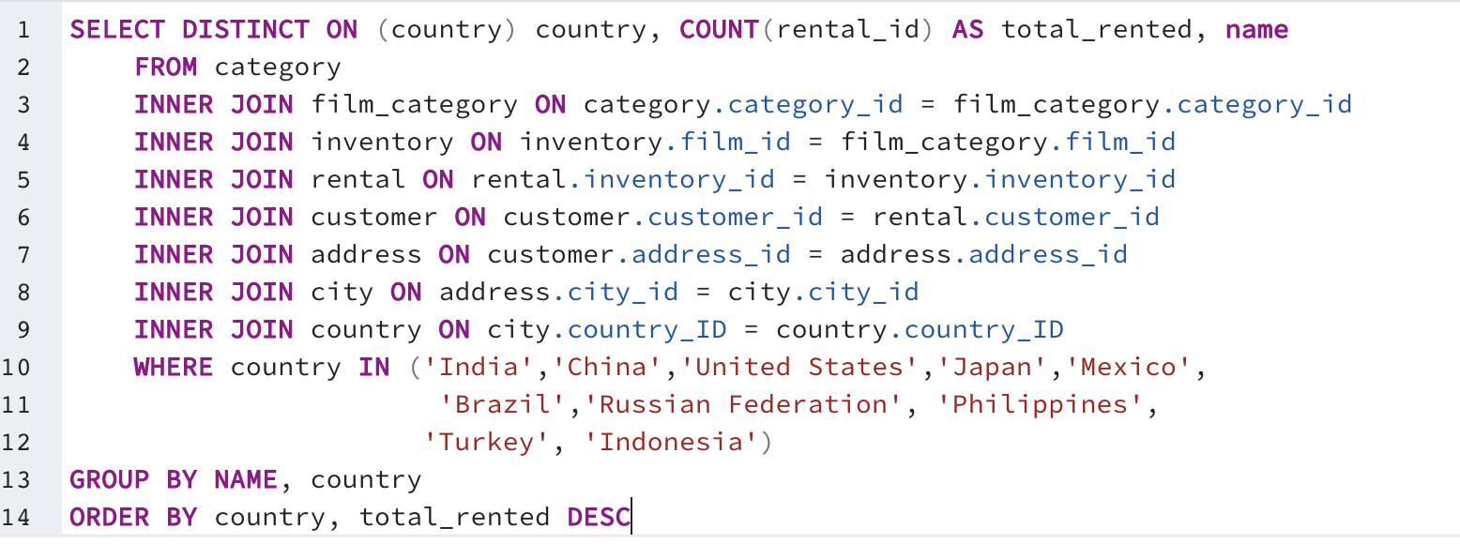
Country | Count | Genre
Brazil | 64 | Sci-Fi
China | 113 | Animation
India | 118 | Action
Indonesia | 32 | Action
Japan | 68 | Animation
Mexico | 69 | Sports
Philippines | 58 | Animation
Russian Federation | 60 | Family
Turkey | 34 | Drama
United States | 74 | Documentary

Query14
Total Revenue by Country
Country | Count | Total Revenue
India | 1421 | 6032.79
China | 1296 | 5247.04
United States | 873 | 3694.27
Japan | 748 | 3121.52
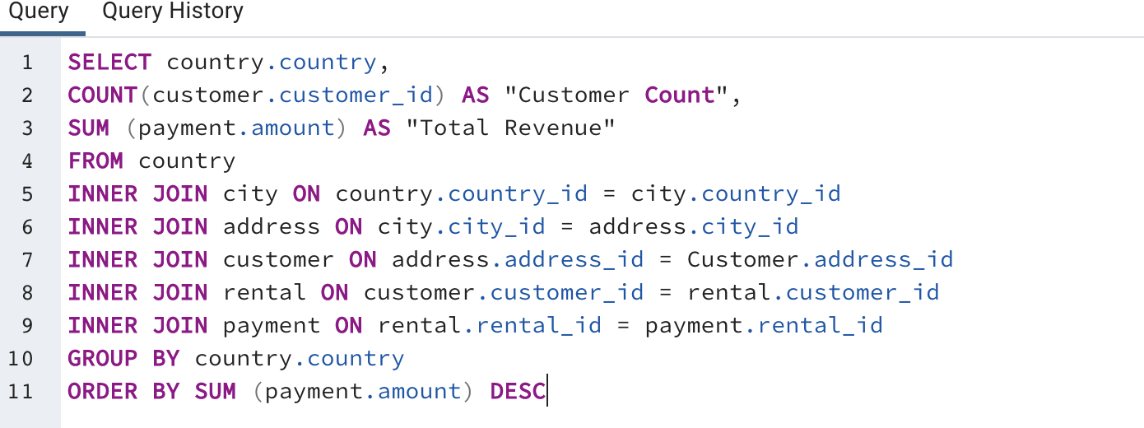
Mexico | 718 | 2984.82
Brazil | 681 | 2919.19
Russian Federation | 638 | 2765.62
Philippines | 530 | 2219.7
Turkey | 351 | 1498.49
Indonesia | 331 | 1352.69
Nigeria | 308 | 1314.92
Argentina | 320 | 1298.8
Taiwan | 290 | 1155.1
South Africa | 254 | 1069.46
Iran | 204 | 877.96
United Kingdom | 203 | 848.97
Poland | 184 | 786.16
Italy | 174 | 753.26
Germany | 176 | 741.24
Vietnam | 155 | 676.45
Ukraine | 147 | 675.53
Colombia | 146 | 661.54
Egypt | 152 | 659.48
Venezuela | 157 | 632.43
Canada | 130 | 559.7
Netherlands | 127 | 557.73
South Korea | 123 | 527.77
Spain | 120 | 513.8
Yemen | 107 | 473.93
Pakistan | 116 | 473.84
Saudi Arabia | 106 | 452.94
Peru | 99 | 407.01
Thailand | 92 | 401.08
Israel | 87 | 379.13
Ecuador | 82 | 369.18
Bangladesh | 81 | 353.19
Algeria | 82 | 349.18
France | 88 | 334.12
Malaysia | 77 | 330.23
Tanzania | 78 | 322.22
Mozambique | 75 | 315.25
United Arab Emirates | 75 | 305.25
Dominican Republic | 74 | 304.26
Chile | 66 | 303.34
Austria | 70 | 284.3
Morocco | 65 | 274.35
Paraguay | 60 | 273.4
Belarus | 64 | 271.36
Latvia | 57 | 249.43
Switzerland | 59 | 248.41
Kenya | 51 | 245.49
Yugoslavia | 51 | 233.49
Puerto Rico | 52 | 224.48
Romania | 58 | 218.42
Runion | 45 | 211.55
French Polynesia | 48 | 205.52
Greece | 46 | 204.54
Sudan | 49 | 202.51
Azerbaijan | 47 | 198.53
Bulgaria | 48 | 194.52
Kazakstan | 49 | 192.51
Angola | 45 | 187.55
Cameroon | 51 | 186.49
Myanmar | 47 | 179.53
Cambodia | 49 | 179.51
Bolivia | 44 | 178.56
Congo, The Democratic Republic of the | 42 | 168.58
Oman | 44 | 161.56
Holy See (Vatican City State) | 32 | 146.68
Nauru | 30 | 143.7
Sweden | 33 | 139.67
Czech Republic | 28 | 132.72
Moldova | 34 | 127.66
Turkmenistan | 26 | 126.74
Chad | 28 | 122.72
Malawi | 27 | 121.73
Zambia | 30 | 121.7
Virgin Islands, U.S. | 31 | 121.69
Greenland | 28 | 119.72
Armenia | 25 | 118.75
Gambia | 27 | 114.73
Iraq | 27 | 111.73
Hungary | 29 | 111.71
Bahrain | 24 | 108.76
North Korea | 29 | 107.71
Brunei | 34 | 107.66
Kuwait | 25 | 106.75
Estonia | 28 | 105.72
Hong Kong | 24 | 104.76
Sri Lanka | 27 | 103.73
Liechtenstein | 26 | 99.74
Anguilla | 32 | 99.68
French Guiana | 20 | 97.8
Faroe Islands | 24 | 96.76
Senegal | 24 | 95.76
Nepal | 17 | 93.83
Tuvalu | 22 | 93.78
Madagascar | 21 | 92.79
Ethiopia | 23 | 91.77
New Zealand | 23 | 85.77
Slovakia | 23 | 80.77
Finland | 21 | 78.79
Tunisia | 22 | 73.78
Afghanistan | 18 | 67.82
Tonga | 16 | 64.84
Saint Vincent and the Grenadines | 18 | 64.82
Lithuania | 22 | 63.78
American Samoa | 15 | 47.85

